FAI

Customer |  | PO # |  | Date Prepared | 2/10/2026 | First Article Report
Part Name | Ring Harness | Samples | 10 | Prepared by: | Meng
Part Number | C6462020106 | Inch or mm | mm | Revision | 1
FAI | Type (Diameter Length Position etc.) | Nominal | + Tolerance | - Tolerance | High Limit | Low Limit | Method | Mfg. Sample 1 | Mfg. Sample 2 | Mfg. Sample 3 | Mfg. Sample 4 | Mfg. Sample 5 | Mfg. Sample 6 | Mfg. Sample 7 | Mfg. Sample 8 | Mfg. Sample 9 | Mfg. Sample 10
1 | Diameter | 32.000 | 0.400 | 0.400 | 32.400 | 31.600 | Caliper | 31.7100 | 31.9500 | 31.7600 | 31.9600 | 31.7500 | 31.9000 | 31.8900 | 31.9100 | 32.0600 | 31.8300
2 | Diameter | 5.000 | 0.400 | 0.400 | 5.400 | 4.600 | Caliper | 5.0000 | 5.0400 | 5.0500 | 5.0300 | 5.0400 | 5.0500 | 5.0500 | 5.0400 | 5.0300 | 5.0400
3 | Length (gap) | 1.300 | 0.000 | 0.400 | 1.300 | 0.900 | Caliper | 1.2900 | 1.1400 | 1.2800 | 1.4400 | 1.6300 | 1.3200 | 1.5100 | 0.9300 | 1.0500 | 1.6300
4 | Length (gap) | 5.800 | 0.800 | 0.800 | 6.600 | 5.000 | Caliper | 5.6000 | 6.1900 | 6.5400 | 6.7400 | 6.8500 | 5.6400 | 7.8200 | 5.7400 | 5.3200 | 6.5100
5 | Diameter | 4.000 | 0.400 | 0.400 | 4.400 | 3.600 | Caliper | 3.9700 | 3.9700 | 3.9700 | 3.9700 | 3.9800 | 3.9700 | 3.9700 | 3.9700 | 3.9700 | 3.9800
6 | Length (height) | 15.000 | 0.400 | 0.400 | 15.400 | 14.600 | Caliper | 14.7800 | 16.0900 | 14.8400 | 16.1100 | 14.8700 | 14.8100 | 16.2400 | 14.7400 | 14.9200 | 16.2200
7 | Radius | 4.000 | 0.400 | 0.400 | 4.400 | 3.600 | VMM | 5.4100 | 5.2830 | 5.4920 | 5.6600 | 5.4640 | 5.1770 | 5.6700 | 5.5600 | 5.4380 | 5.6050
8 | Length (width) | 20.000 | 0.400 | 0.400 | 20.400 | 19.600 | Caliper | 20.3300 | 20.2800 | 20.3800 | 20.3800 | 20.3800 | 20.4900 | 20.1600 | 20.5400 | 20.5000 | 20.3400
9 | Radius | 7.500 | 0.400 | 0.400 | 7.900 | 7.100 | VMM | 7.5070 | 7.5030 | 7.5040 | 7.5010 | 7.5060 | 7.5070 | 7.5080 | 7.5060 | 7.5000 | 7.5000
10 | Length | 15.000 | 0.400 | 0.400 | 15.400 | 14.600 | Caliper | 14.9800 | 15.0400 | 14.9800 | 14.9900 | 14.9800 | 15.0000 | 14.9400 | 14.9900 | 14.9800 | 14.9800
11 | Radius | 5.000 | 0.400 | 0.400 | 5.400 | 4.600 | VMM
12 | Diameter | 5.000 | 0.400 | 0.400 | 5.400 | 4.600 | Caliper | 4.9500 | 5.1300 | 5.1000 | 5.1000 | 5.1000 | 5.1000 | 5.0700 | 5.0700 | 5.0900 | 5.1100
13 | Length | 25.000 | 0.400 | 0.400 | 25.400 | 24.600 | Caliper | 24.9300 | 24.8900 | 24.4300 | 24.4200 | 24.2700 | 24.8500 | 24.3000 | 25.0100 | 24.9400 | 24.3400
14 | Radius | 2.500 | 0.400 | 0.400 | 2.900 | 2.100 | VMM
15 | Radius | 1.000 | 0.400 | 0.400 | 1.400 | 0.600 | VMM
16 | Length (thickness) | 0.500 | 0.400 | 0.400 | 0.900 | 0.100 | Caliper | 0.5300 | 0.5000 | 0.4900 | 0.4900 | 0.5200 | 0.5000 | 0.5000 | 0.5000 | 0.5200 | 0.5100
17 | Length | 15.500 | 0.400 | 0.400 | 15.900 | 15.100 | VMM
18 | Length | 21.000 | 0.400 | 0.400 | 21.400 | 20.600 | VMM
19 | Diameter | 25.500 | 0.400 | 0.400 | 25.900 | 25.100 | Caliper
20 | Radius (Fillet) | 1.000 | 0.400 | 0.400 | 1.400 | 0.600 | VMM
21 | Length (thickness) | 1.600 | 0.400 | 0.400 | 2.000 | 1.200 | Caliper | 1.5300 | 1.4900 | 1.4900 | 1.4800 | 1.5600 | 1.5500 | 1.5400 | 1.5000 | 1.5200 | 1.5300
22 | Length (width) | 15.000 | 0.000 | 0.500 | 15.000 | 14.500 | Caliper | 15.0000 | 14.9600 | 14.9800 | 14.9700 | 14.9900 | 14.9600 | 15.0300 | 14.9300 | 14.9600 | 14.9600
23 | Diameter | 6.500 | 0.400 | 0.400 | 6.900 | 6.100 | Caliper | 6.4700 | 6.4200 | 6.4500 | 6.4700 | 6.4600 | 6.4700 | 6.4800 | 6.4600 | 6.4600 | 6.4700
24 | Length | 6.000 | 0.100 | 0.100 | 6.100 | 5.900 | Caliper | 6.0200 | 5.9900 | 5.9700 | 6.0400 | 5.9400 | 6.0100 | 6.0000 | 6.0500 | 5.9800 | 6.0000
25 | Length | 3.000 | 0.400 | 0.400 | 3.400 | 2.600 | Caliper | 2.9700 | 2.9400 | 2.9300 | 2.9600 | 2.9300 | 2.9700 | 2.9300 | 2.9600 | 2.9400 | 2.9400
26 | Length | 5.000 | 0.400 | 0.400 | 5.400 | 4.600 | Caliper | 4.8900 | 4.8400 | 4.8100 | 4.8700 | 4.8400 | 4.9100 | 4.8100 | 4.8600 | 4.8900 | 4.9000

Print Page 1
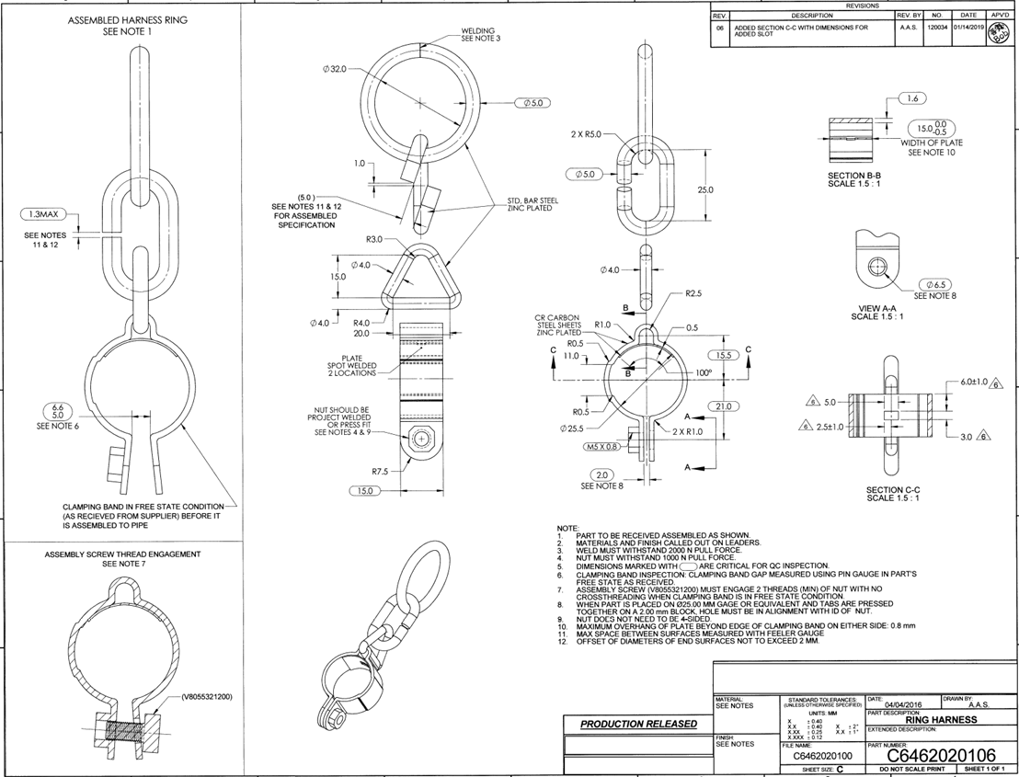

1
2
21
11
22

13
12

3

5
14
23
6
15
16
7
17
8
24
26
4
18
19

20
9
25

10

Tolerance Table
